Little_1961
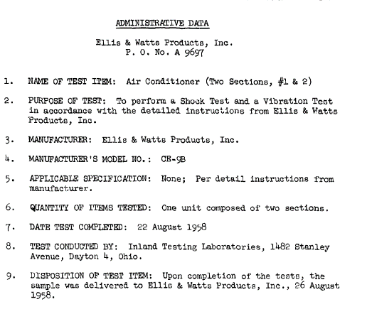
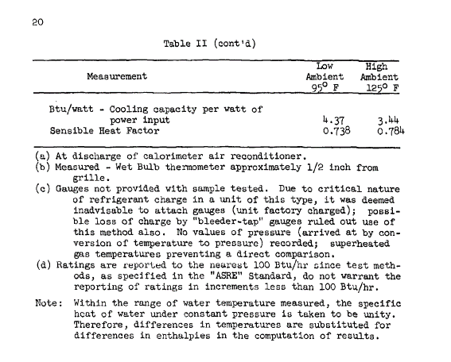
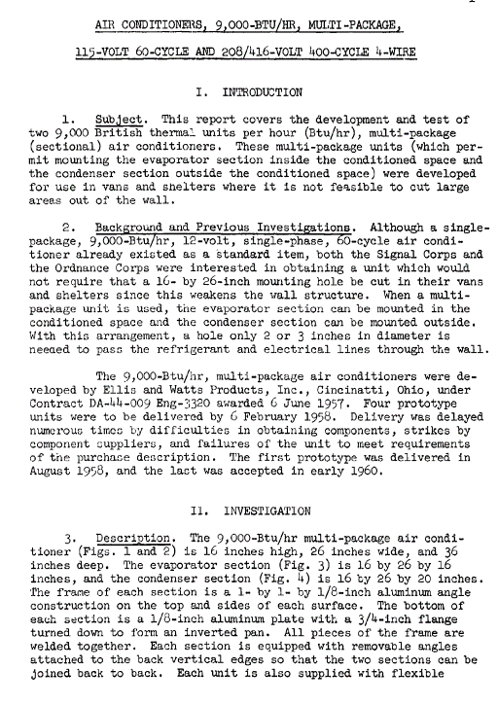
Little (1961) - Technical Report 1695-TR Air Conditioners (Test Report)
https://apps.dtic.mil/dtic/tr/fulltext/u2/272179.pdf
 | Year | Temperature [f] | Temperature [C] | EER [Btu/W-hour]
 | 1960 | 95 | 35 | 4.37
 | 1960 | 125 | 51.666666667 | 3.44

Moyers_1973
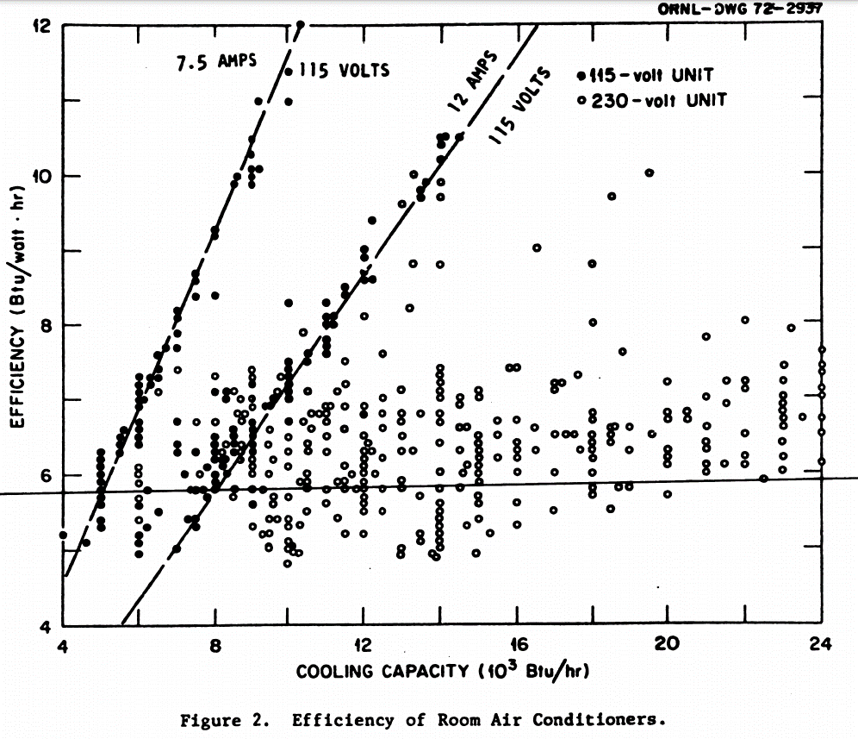
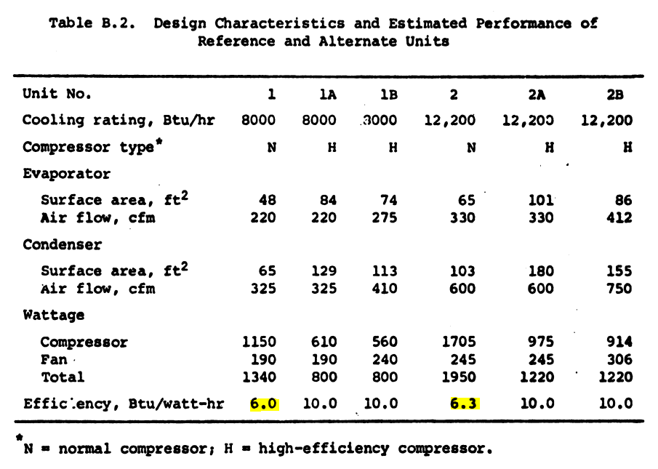
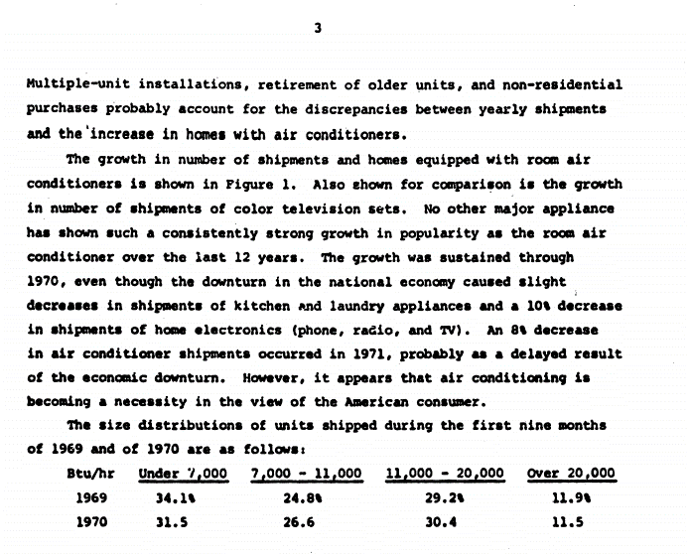
Moyers (1973) - The Room Air Conditioner as an Energy Consumer
https://www.google.co.uk/books/edition/The_Room_Air_Conditioner_as_an_Energy_Co/DP_3P-OdOaoC?hl=en&gbpv=0

AHAM_2017
AHAM (2017) - Trends in Energy Efficiency 2017

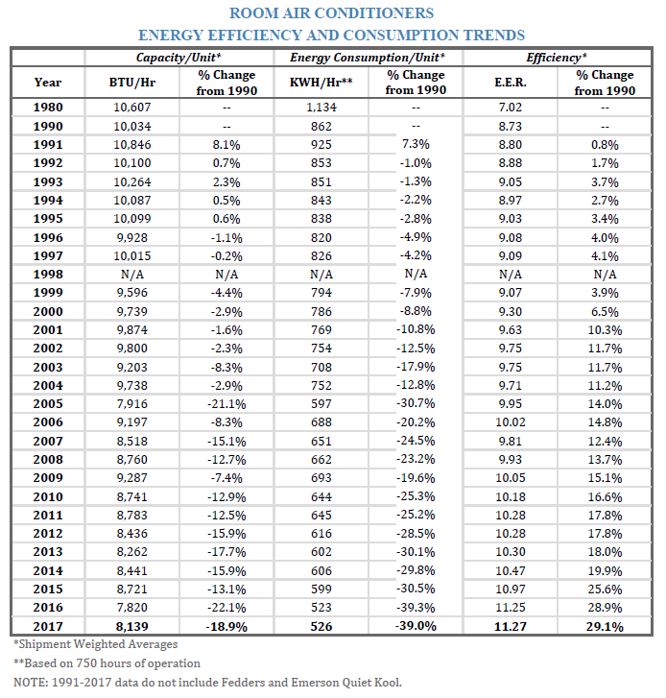
Year | EER | COP
1980 | 7.02 | 2.06
1990 | 8.73 | 2.56
1991 | 8.80 | 2.58
1992 | 8.88 | 2.60
1993 | 9.05 | 2.65
1994 | 8.97 | 2.63
1995 | 9.03 | 2.65
1996 | 9.08 | 2.66
1997 | 9.09 | 2.66
1998 | - | -
1999 | 9.07 | 2.66
2000 | 9.30 | 2.73
2001 | 9.63 | 2.82
2002 | 9.75 | 2.86
2003 | 9.75 | 2.86
2004 | 9.71 | 2.85
2005 | 9.95 | 2.92
2006 | 10.02 | 2.94
2007 | 9.81 | 2.88
2008 | 9.93 | 2.91
2009 | 10.05 | 2.95
2010 | 10.18 | 2.98
2011 | 10.28 | 3.01
2012 | 10.28 | 3.01
2013 | 10.30 | 3.02
2014 | 10.47 | 3.07
2015 | 10.97 | 3.21
2016 | 11.25 | 3.30
2017 | 11.27 | 3.30

AHAM_2014
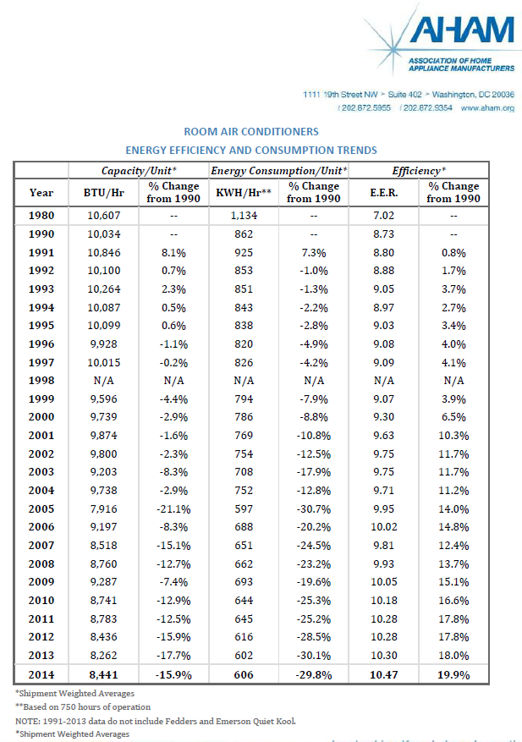
AHAM (2014) - Trends in Energy Efficiency 2014
 | Year | EER | COP
 | 1980 | 7.02 | 2.0573598973
 | 1990 | 8.73 | 2.5585116672
 | 1991 | 8.8 | 2.5790266519
 | 1992 | 8.88 | 2.6024723487
 | 1993 | 9.05 | 2.6522944545
 | 1994 | 8.97 | 2.6288487577
 | 1995 | 9.03 | 2.6464330303
 | 1996 | 9.08 | 2.6610865908
 | 1997 | 9.09 | 2.6640173029
 | 1998
 | 1999 | 9.07 | 2.6581558787
 | 2000 | 9.3 | 2.7255622571
 | 2001 | 9.63 | 2.8222757566
 | 2002 | 9.75 | 2.8574443018
 | 2003 | 9.75 | 2.8574443018
 | 2004 | 9.71 | 2.8457214534
 | 2005 | 9.95 | 2.9160585439
 | 2006 | 10.02 | 2.9365735286
 | 2007 | 9.81 | 2.8750285744
 | 2008 | 9.93 | 2.9101971197
 | 2009 | 10.05 | 2.9453656649
 | 2010 | 10.18 | 2.9834649223
 | 2011 | 10.28 | 3.0127720434
 | 2012 | 10.28 | 3.0127720434
 | 2013 | 10.3 | 3.0186334676
 | 2014 | 10.47 | 3.0684555733

AHAM_1999
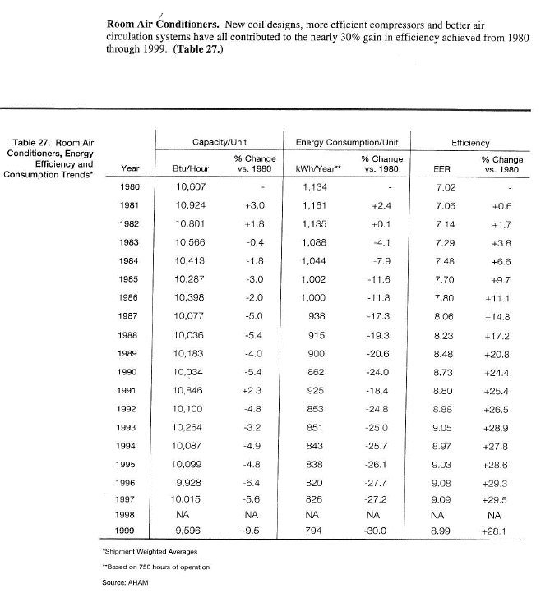
AHAM Efficiency Trends 1980-1999
 | Year | EER
 | 1980 | 7.02
 | 1981 | 7.06
 | 1982 | 7.14
 | 1983 | 7.29
 | 1984 | 7.48
 | 1985 | 7.7
 | 1986 | 7.8
 | 1987 | 8.06
 | 1988 | 8.23
 | 1989 | 8.48
 | 1990 | 8.73
 | 1991 | 8.8
 | 1992 | 8.88
 | 1993 | 9.05
 | 1994 | 8.97
 | 1995 | 9.03
 | 1996 | 9.08
 | 1997 | 9.09
 | 1998
 | 1999 | 8.99

IEA_2020
IEA (2020) - Efficiency ratings of available AC units by regional metric
IEA, Efficiency ratings of available AC units by regional metric, IEA, Paris https://www.iea.org/data-and-statistics/charts/efficiency-ratings-of-available-ac-units-by-regional-metric
https://www.iea.org/data-and-statistics/charts/efficiency-ratings-of-available-ac-units-by-regional-metric | Year | Country | Metric | Market Average [W/W]
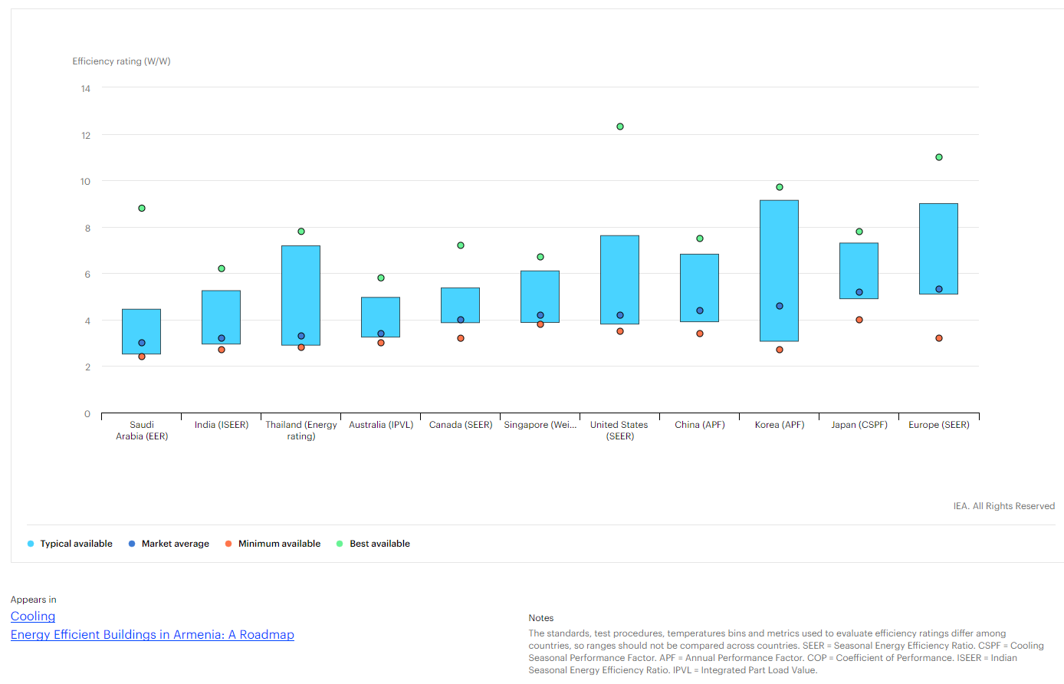
 | 2020 | SAU | EER | 3
 | 2020 | IND | ISEER | 3.2
 | 2020 | THA | Energy rating | 3.3
 | 2020 | AUS | IPVL | 3.4
 | 2020 | CAN | SEER | 3.4
 | 2020 | SGP | Weighted COP | 4
 | 2020 | USA | SEER | 4.2
 | 2020 | CHN | APF | 4.4
 | 2020 | KOR | APF | 4.6
 | 2020 | JPN | CSPF | 5.2
 | 2020 | EU | SEER | 5.3

Fridley_2001
Fridley et al (2001) - Technical and economic analysis of energy efficiency of Chinese room air conditioners
https://doi.org/10.2172/783454

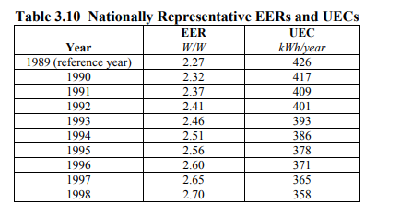
 | Year | EER [W/W]
 | 1989 | 2.27
 | 1990 | 2.32
 | 1991 | 2.37
 | 1992 | 2.41
 | 1993 | 2.46
 | 1994 | 2.51
 | 1995 | 2.56
 | 1996 | 2.6
 | 1997 | 2.65
 | 1998 | 2.7

Shah_2013
Shah et al (2013) - Cooling the Planet Opportunities for Deployment of Superefficient Room Air Conditioners
https://www.osti.gov/biblio/1171749
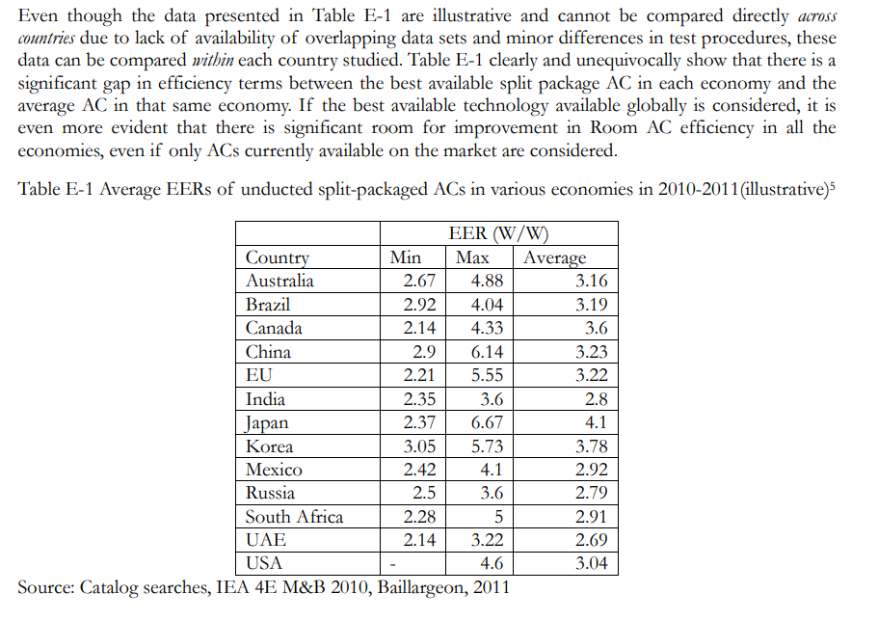
 | Year | Country | Average EER [W/W]
 | 2010 | AUS | 3.16
 | 2010 | BRA | 3.19
 | 2010 | CAN | 3.6
 | 2010 | CHN | 3.23
 | 2010 | EU | 3.22
 | 2010 | IND | 2.8
 | 2010 | JAP | 4.1
 | 2010 | KOR | 3.78
 | 2010 | MEX | 2.92
 | 2010 | RUS | 2.79
 | 2010 | ZAF | 2.91
 | 2010 | UAE | 2.69
 | 2010 | USA | 3.04

RMI_2018
RMI (2018) - Solving the Global Cooling Challenge
https://rmi.org/wp-content/uploads/2018/11/Global_Cooling_Challenge_Report_2018.pdf
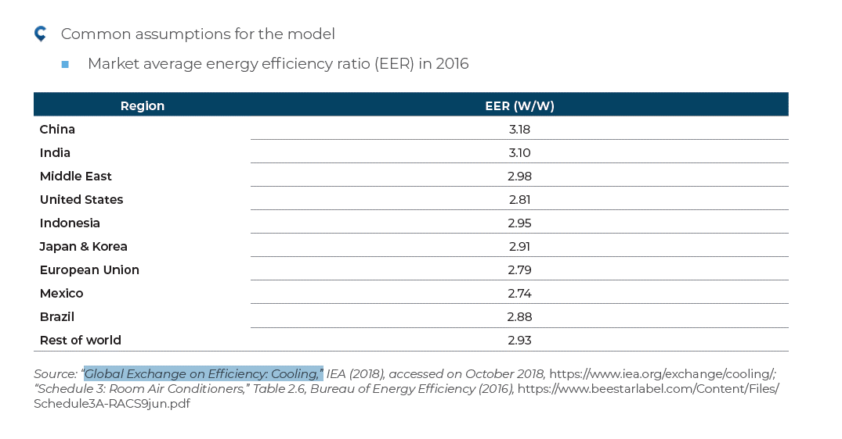

 | Year | Country | EER [W/W]
 | 2016 | CHN | 3.18
 | 2016 | IND | 3.1
 | 2016 | MEA | 2.98
 | 2016 | USA | 2.81
 | 2016 | IDN | 2.95
 | 2016 | JPN | 2.91
 | 2016 | KOR | 2.79
 | 2016 | EU | 2.79
 | 2016 | MEX | 2.74
 | 2016 | BRA | 2.88
 | 2016 | ROW | 2.93

McNeil_2008
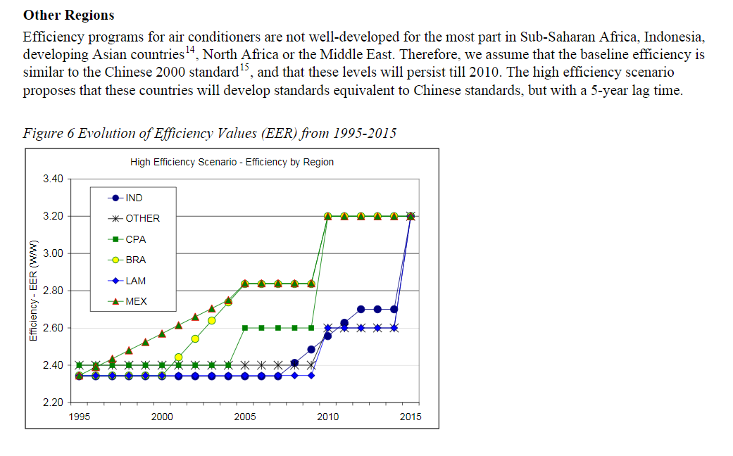
McNeil & Letschert (2008) - Future Air Conditioning Energy Consumption in Developing Countries and what can be done about it: The Potential of Efficiency in the Residential Sector
https://escholarship.org/uc/item/64f9r6wr
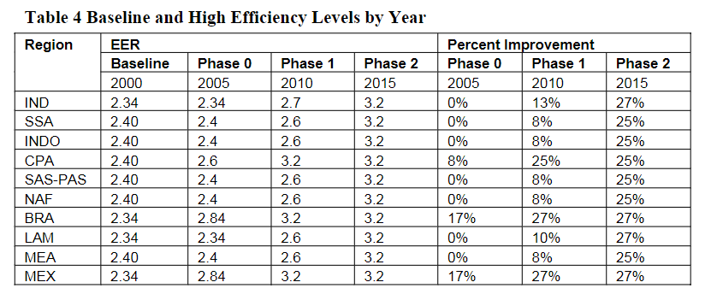
 | Year | Country | EER [W/W]
 | 2000 | IND | 2.34
 | 2000 | SSA | 2.4
 | 2000 | IDN | 2.4
 | 2000 | CPA | 2.4
 | 2000 | SAS-PAS | 2.4
 | 2000 | NAF | 2.4
 | 2000 | BRA | 2.34
 | 2000 | LAM | 2.34
 | 2000 | MEA | 2.4
 | 2000 | MEX | 2.34
 | 2000 | CHN | 2.4

Geller_1988
Geller et al (1988) - Electricity Conservation in Brazil Potential and Progress
https://link.springer.com/chapter/10.1007/978-94-009-1403-2_36

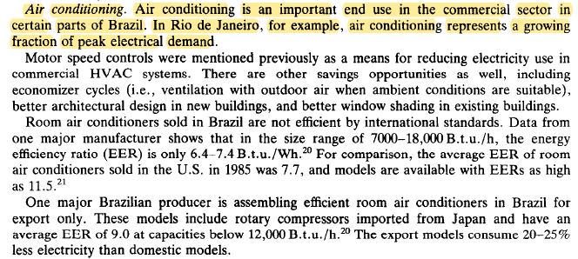
Year | EER [Btu/Wh] | COP [W/W]
1986 | 6.9 | 2.02

Abhyankar et al (2017)
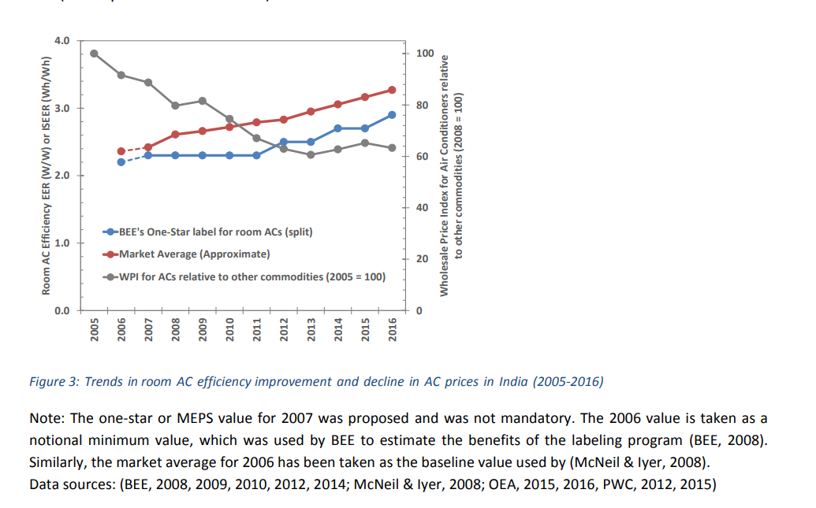
Abhyankar et al (2017) - Accelerating Energy Efficiency Improvements in Room Air Conditioners in India
https://eta.lbl.gov/publications/accelerating-energy-efficiency

Year | COP [W/W]
2006 | 2.365
2007 | 2.418
2008 | 2.608
2009 | 2.662
2010 | 2.707
2011 | 2.76
2012 | 2.814
2013 | 2.951
2014 | 3.049
2015 | 3.156
2016 | 3.262

deAlmeida_2006
de Almeida & Fonseca (2006) - Residential monitoring to decrease energy use and carbon emissions in Europe
https://www.eceee.org/static/media/uploads/site-2/library/conference_proceedings/eceee_Summer_Studies/2007/Panel_6/6.273/paper.pdf

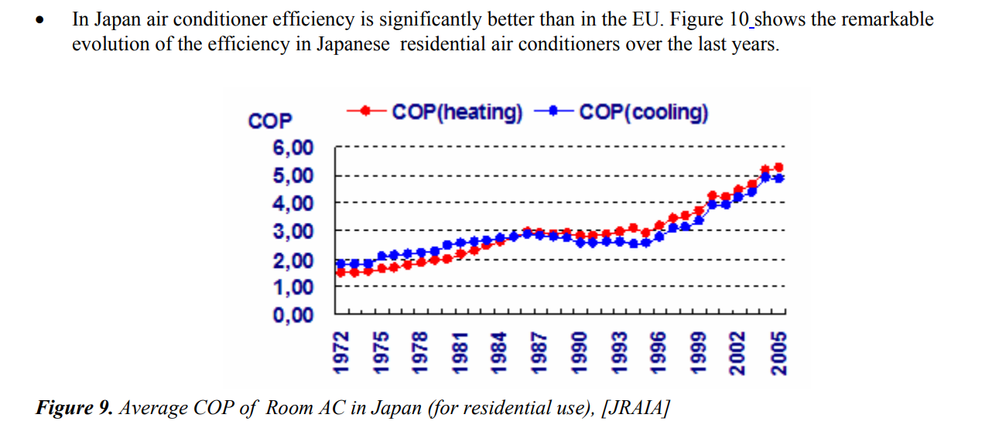
Year | COP
1972 | 1.768
1973 | 1.768
1974 | 1.768
1975 | 2.043
1976 | 2.076
1977 | 2.124
1978 | 2.157
1979 | 2.238
1980 | 2.449
1981 | 2.546
1982 | 2.595
1983 | 2.627
1984 | 2.708
1985 | 2.757
1986 | 2.854
1987 | 2.789
1988 | 2.724
1989 | 2.708
1990 | 2.53
1991 | 2.497
1992 | 2.546
1993 | 2.546
1994 | 2.449
1995 | 2.546
1996 | 2.741
1997 | 3.032
1998 | 3.097
1999 | 3.292
2000 | 3.924
2001 | 3.876
2002 | 4.168
2003 | 4.378
2004 | 4.881
2005 | 4.865

Zhou_2007
Zhou (2007) - Energy Use in Commercial Building in China (Presentation)
https://eta.lbl.gov/publications/al-energy-use-commercial-building

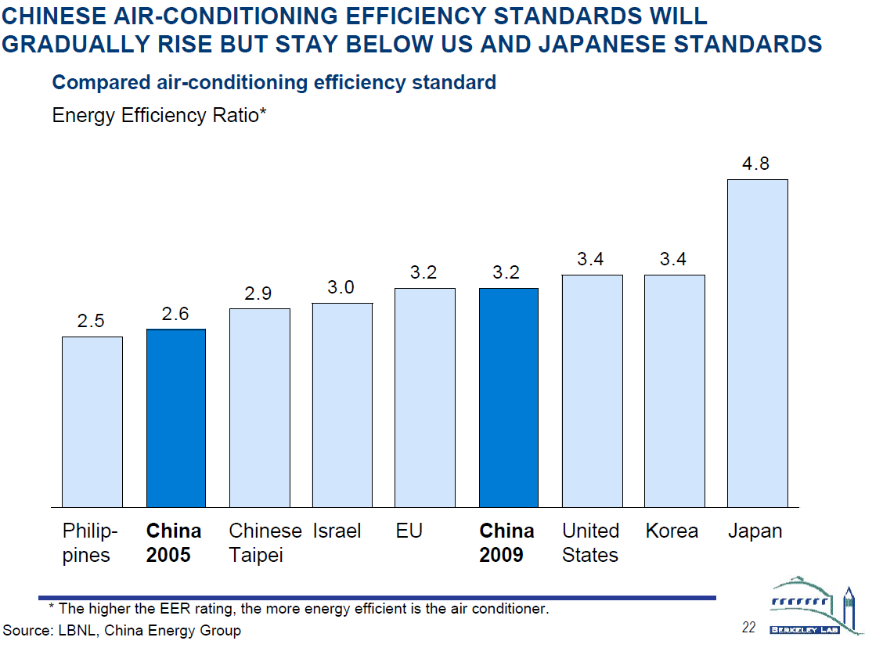
Year | Country | EER | COP
2005 | CHN | 2.60
2005 | TWN | 2.90
2005 | PHL | 2.50
2005 | ISR | 3.00
2005 | KOR | 3.40
2005 | JPN | 4.80
2005 | USA | 3.40

Murakami_2009
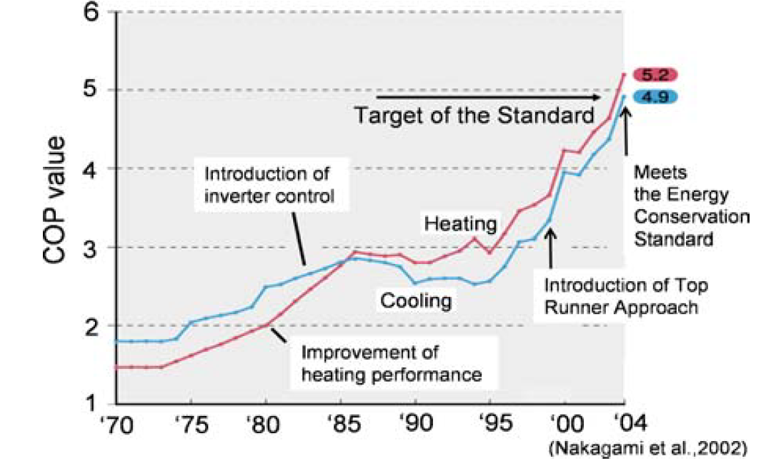
Murakami (2009) - Overview of energy consumption and GHG mitigation technologies in the building sector of Japan
https://link.springer.com/article/10.1007/s12053-008-9040-8

Kondo_2009
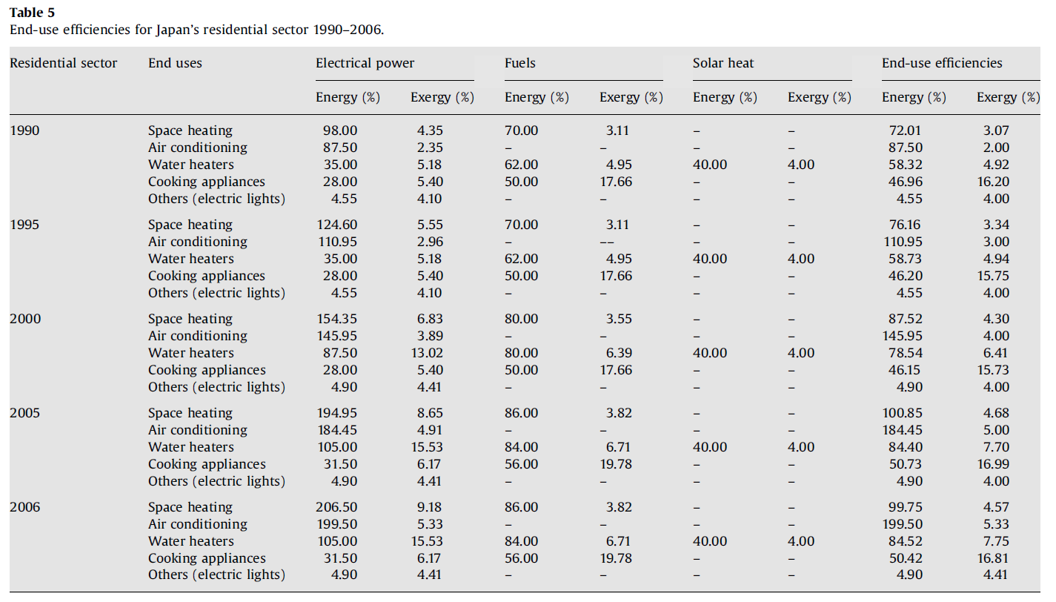
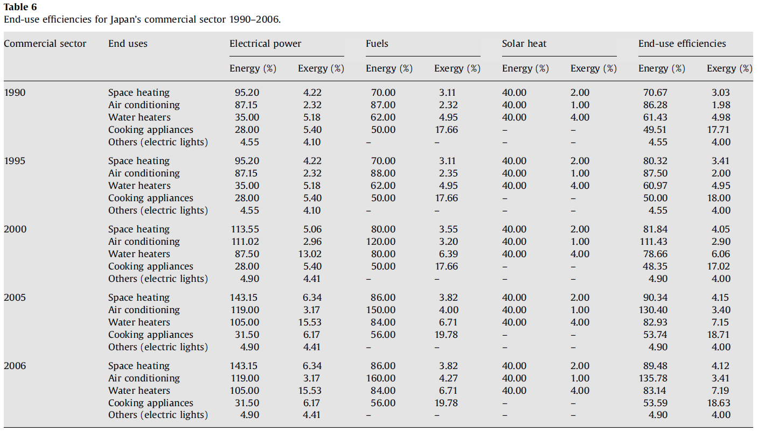
Kondo (2009) - Energy and exergy utilization efficiencies in the Japanese residential commercial sectors
https://doi.org/10.1016/j.enpol.2009.05.060

Leff_1977
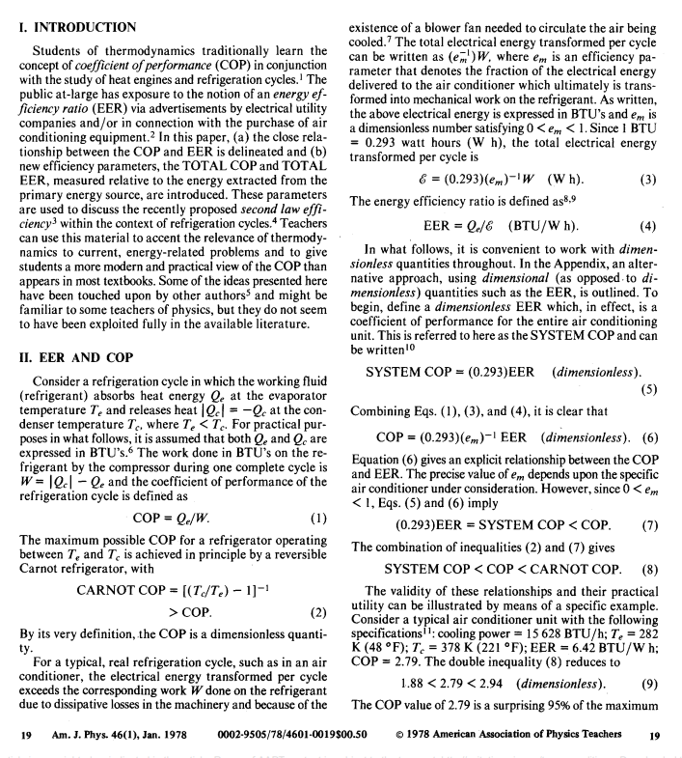
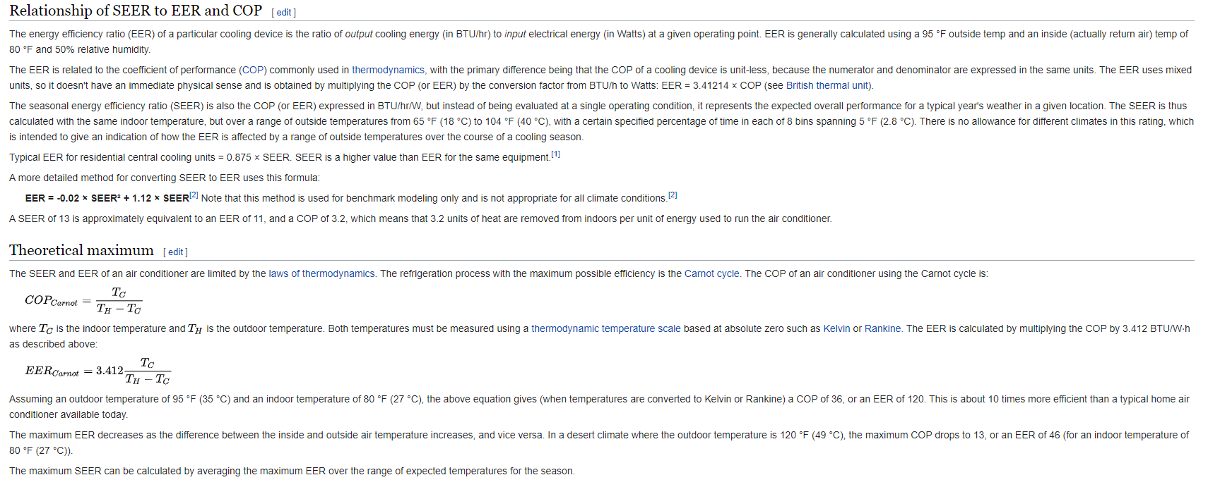
Leff & Teeters (1977) - EER, COP, and the second law efficiency for air conditioners
https://aapt.scitation.org/doi/pdf/10.1119/1.11174

Schipper_1991
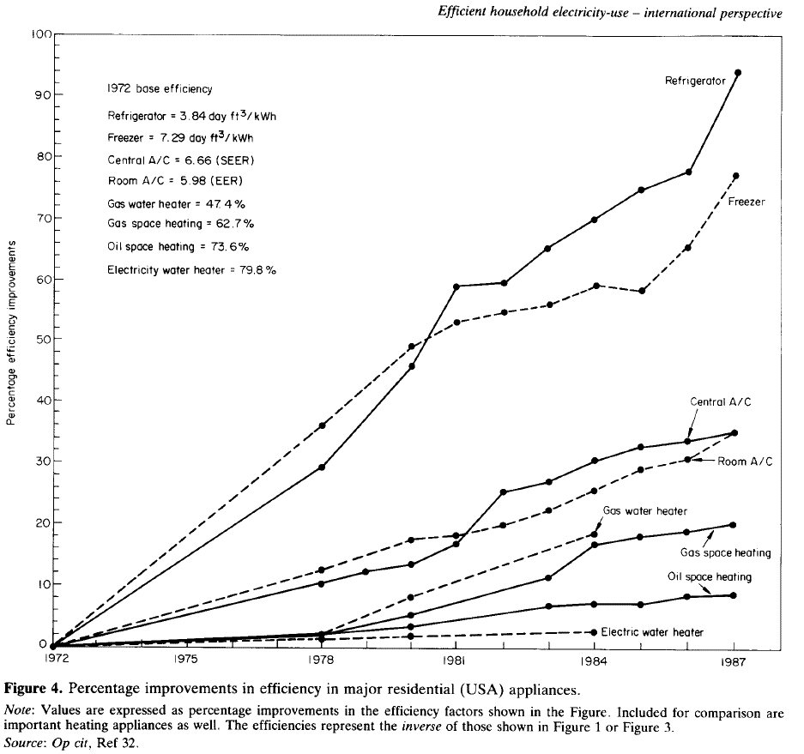
Schipper & Hawk (1991) - More efficient household electricity an international perspective
https://www.sciencedirect.com/science/article/pii/030142159190150M

Base Values |  |  |  | Refrigerator |  |  | Freezer
Year | Machine | Metric | Value | Year | % Improvement | Efficiency [day ft3/kWh] | Year | % Improvement | Efficiency [day ft3/kWh]
1972 | Refrigerator | day ft3/kWh | 3.84 | 1972 | 0.00 | 3.84 | 1972 | 0.00 | 7.29
1972 | Freezer | day ft3/kWh | 7.29 | 1973 | 5.57 | 4.05 | 1973 | 6.69 | 7.78
1972 | Central A/C | SEER | 6.66 | 1974 | 10.03 | 4.23 | 1974 | 12.92 | 8.23
1972 | Room A/C | EER | 5.98 | 1975 | 14.90 | 4.41 | 1975 | 17.97 | 8.60
1972 | Gas water heater | % | 47.40% | 1976 | 19.36 | 4.58 | 1976 | 24.37 | 9.07
1972 | Gas space heater | % | 62.70% | 1977 | 24.10 | 4.77 | 1977 | 30.08 | 9.48
1972 | Oil space heater | % | 73.60% | 1978 | 29.94 | 4.99 | 1978 | 35.93 | 9.91
1972 | Electric water heater | % | 79.80% | 1979 | 36.21 | 5.23 | 1979 | 41.92 | 10.35
 |  |  |  | 1980 | 46.38 | 5.62 | 1980 | 48.89 | 10.85
 |  |  |  | 1981 | 59.05 | 6.11 | 1981 | 52.79 | 11.14
 |  |  |  | 1982 | 59.47 | 6.12 | 1982 | 54.88 | 11.29
 |  |  |  | 1983 | 65.32 | 6.35 | 1983 | 55.71 | 11.35
 |  |  |  | 1984 | 70.20 | 6.54 | 1984 | 59.33 | 11.62
 |  |  |  | 1985 | 74.65 | 6.71 | 1985 | 57.80 | 11.50
 |  |  |  | 1986 | 77.86 | 6.83 | 1986 | 65.46 | 12.06
 |  |  |  | 1987 | 93.73 | 7.44 | 1987 | 76.60 | 12.87

 |  |  |  | Central A/C |  |  | Room A/C
 |  |  |  | Year | % Improvement | Efficiency [SEER] | Year | % Improvement | Efficiency [EER]
 |  |  |  | 1972 | 0.00 | 6.66 | 1972 | 0.00 | 5.98
 |  |  |  | 1973 | 2.23 | 6.81 | 1973 | 2.79 | 6.15
 |  |  |  | 1974 | 3.62 | 6.90 | 1974 | 4.74 | 6.26
 |  |  |  | 1975 | 5.71 | 7.04 | 1975 | 6.69 | 6.38
 |  |  |  | 1976 | 7.66 | 7.17 | 1976 | 8.64 | 6.50
 |  |  |  | 1977 | 9.19 | 7.27 | 1977 | 10.86 | 6.63
 |  |  |  | 1978 | 11.00 | 7.39 | 1978 | 13.09 | 6.76
 |  |  |  | 1979 | 12.67 | 7.50 | 1979 | 15.04 | 6.88
 |  |  |  | 1980 | 14.07 | 7.60 | 1980 | 17.97 | 7.05
 |  |  |  | 1981 | 17.27 | 7.81 | 1981 | 18.66 | 7.10
 |  |  |  | 1982 | 25.63 | 8.37 | 1982 | 20.33 | 7.20
 |  |  |  | 1983 | 27.16 | 8.47 | 1983 | 22.84 | 7.35
 |  |  |  | 1984 | 30.64 | 8.70 | 1984 | 25.77 | 7.52
 |  |  |  | 1985 | 32.87 | 8.85 | 1985 | 29.25 | 7.73
 |  |  |  | 1986 | 33.71 | 8.90 | 1986 | 30.92 | 7.83
 |  |  |  | 1987 | 35.38 | 9.02 | 1987 | 35.38 | 8.10

 |  |  |  | Gas water heater |  |  | Gas space heater
 |  |  |  | Year | % Improvement | Efficiency [%] | Year | % Improvement | Efficiency [%]
 |  |  |  | 1972 | 0.00 | 47.40% | 1972 | 0.00 | 62.70%
 |  |  |  | 1973 | 0.56 | 47.66% | 1973 | 0.70 | 63.14%
 |  |  |  | 1974 | 0.98 | 47.86% | 1974 | 0.84 | 63.22%
 |  |  |  | 1975 | 1.67 | 48.19% | 1975 | 1.39 | 63.57%
 |  |  |  | 1976 | 1.81 | 48.26% | 1976 | 1.67 | 63.75%
 |  |  |  | 1977 | 1.90 | 48.30% | 1977 | 2.23 | 64.10%
 |  |  |  | 1978 | 2.51 | 48.59% | 1978 | 2.65 | 64.36%
 |  |  |  | 1979 | 5.43 | 49.97% | 1979 | 3.62 | 64.97%
 |  |  |  | 1980 | 8.50 | 51.43% | 1980 | 5.29 | 66.02%
 |  |  |  | 1981 | 10.86 | 52.55% | 1981 | 7.10 | 67.15%
 |  |  |  | 1982 | 13.37 | 53.74% | 1982 | 9.05 | 68.38%
 |  |  |  | 1983 | 15.88 | 54.93% | 1983 | 11.70 | 70.04%
 |  |  |  | 1984 | 18.94 | 56.38% | 1984 | 17.41 | 73.62%
 |  |  |  | 1985 |  |  | 1985 | 18.38 | 74.23%
 |  |  |  | 1986 |  |  | 1986 | 19.22 | 74.75%
 |  |  |  | 1987 |  |  | 1987 | 20.33 | 75.45%

 |  |  |  | Oil space heater |  |  | Electric water heater
 |  |  |  | Year | % Improvement | Efficiency [%] | Year | % Improvement | Efficiency [%]
 |  |  |  | 1972 | 0.00 | 73.60% | 1972 | 0.00 | 79.80%
 |  |  |  | 1973 | 0.84 | 74.22% | 1973 | 0.42 | 80.13%
 |  |  |  | 1974 | 1.11 | 74.42% | 1974 | 0.84 | 80.47%
 |  |  |  | 1975 | 1.53 | 74.73% | 1975 | 0.98 | 80.58%
 |  |  |  | 1976 | 1.81 | 74.93% | 1976 | 1.11 | 80.69%
 |  |  |  | 1977 | 1.95 | 75.04% | 1977 | 1.11 | 80.69%
 |  |  |  | 1978 | 2.65 | 75.55% | 1978 | 1.81 | 81.25%
 |  |  |  | 1979 | 2.93 | 75.75% | 1979 | 1.81 | 81.25%
 |  |  |  | 1980 | 3.76 | 76.37% | 1980 | 1.95 | 81.36%
 |  |  |  | 1981 | 4.46 | 76.88% | 1981 | 2.37 | 81.69%
 |  |  |  | 1982 | 5.85 | 77.91% | 1982 | 2.44 | 81.75%
 |  |  |  | 1983 | 6.83 | 78.62% | 1983 | 2.51 | 81.80%
 |  |  |  | 1984 | 7.24 | 78.93% | 1984 | 2.61 | 81.88%
 |  |  |  | 1985 | 7.52 | 79.14% | 1985
 |  |  |  | 1986 | 8.36 | 79.75% | 1986
 |  |  |  | 1987 | 8.50 | 79.85% | 1987

Penrod_1947
Penrod (1947) - Continous Air Conditioning with the Heat Pump
https://www.jstor.org/stable/27826188
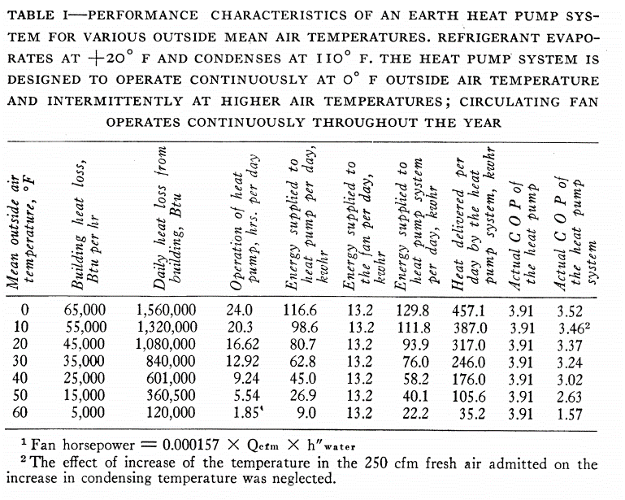
 | Data is for heating, not cooling

Santamouris_2016
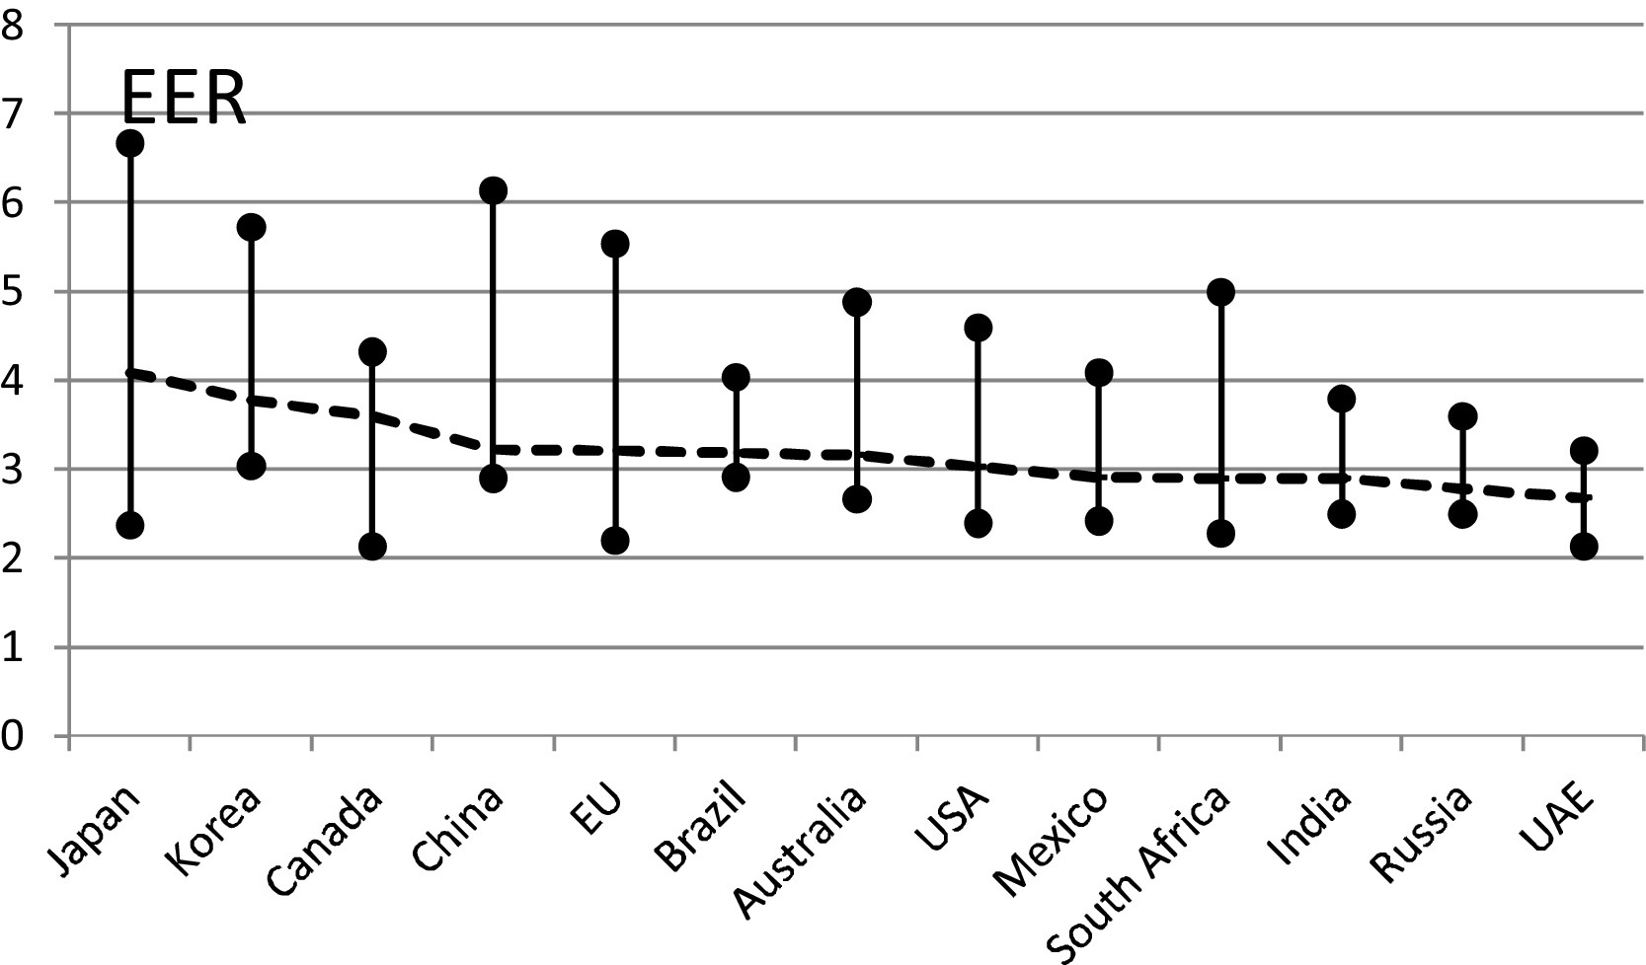
Santamouris (2016) - Cooling the buildings – past, present and future
https://www.sciencedirect.com/science/article/pii/S0378778816306314?casa_token=UirTBAI15-EAAAAA:gxFLvRKO9czPwZjn4UzFHqFGufB7kefTVKheudJ751TH24LTYDjSVdqQuvKx9wpACKZnJXN5Ow#bib0160
Data is from Shah et al (2013)

Phadke_2014
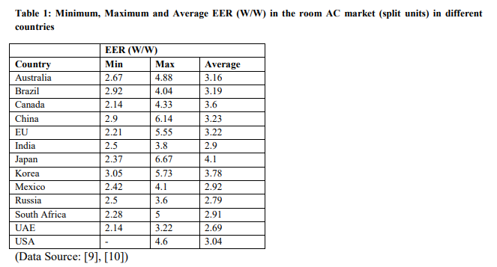
Phadke et al (2014) - Avoiding 100 New Power Plants by Increasing Efficiency of Room Air Conditioners in India
https://www.osti.gov/biblio/1136779

Saul_1950
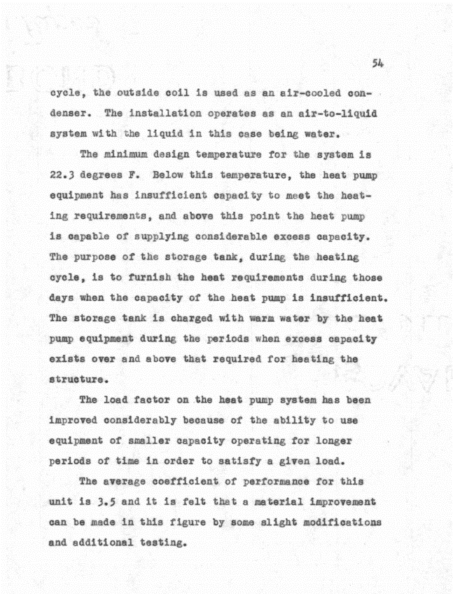
Saul (1950) - The Present Status of the Residential Heat Pump
https://ir.library.oregonstate.edu/downloads/02870z30f

